Delay function in Net.Storm
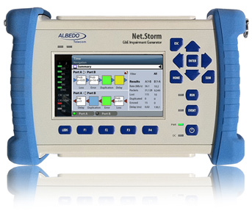
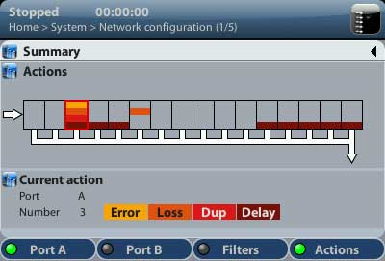
 | Flow % of total line traffic (*) |  | 1st | 2nd | 3rd | 4th | ALBEDO Net.Storm
 |  |  | Frame Size (bytes) | Frame Rate (frames/s) | Bit rate (Mbit/s) | Max Delay (s)
Change ONLY here > - | 2.00% | no-standard sizes | 10000 | 249.5 | 20.0 | 60.00
 | 1.00E+009 |  | 9000 | 277.2 | 20.0 | 60.00
 |  |  | 8100 | 307.9 | 20.0 | 60.00
(*) Flow refers to the selected stream that has already been filtered by the Net.Storm set up. Forget the rest of the line traffic. i.e. you may have 800 Mbit/s of constant traffic but you want to delay the PTP flow identified by its Port and only is 0.05 % of the total traffic. See the bit rate at the 3rd column. |  |  | 7290 | 342.0 | 19.9 | 60.00
 |  |  | 6561 | 379.9 | 19.9 | 60.00
 |  |  | 5905 | 421.9 | 19.9 | 60.00
 |  |  | 5315 | 468.6 | 19.9 | 60.00
 |  |  | 4784 | 520.4 | 19.9 | 60.00
 |  |  | 4306 | 577.9 | 19.9 | 56.70
 |  |  | 3876 | 641.7 | 19.9 | 51.07
 |  |  | 3489 | 712.5 | 19.9 | 45.99
 |  |  | 3141 | 790.9 | 19.9 | 41.43
 |  |  | 2827 | 878.1 | 19.9 | 37.32
 |  |  | 2545 | 974.7 | 19.8 | 33.62
 |  |  | 2291 | 1081.8 | 19.8 | 30.29
 |  |  | 2062 | 1200.8 | 19.8 | 27.29
 |  | standrdad frame sizes | 1856 | 1332.6 | 19.8 | 24.59
Max. Delay in function of Frame Size
 |  |  | 1671 | 1478.4 | 19.8 | 22.16
 |  |  | 1504 | 1640.4 | 19.7 | 19.98
 |  |  | 1354 | 1819.5 | 19.7 | 18.01
 |  |  | 1219 | 2017.8 | 19.7 | 16.24
 |  |  | 1098 | 2236.1 | 19.6 | 14.65
 |  |  | 989 | 2477.7 | 19.6 | 13.23
 |  |  | 891 | 2744.2 | 19.6 | 11.94
 |  |  | 802 | 3041.4 | 19.5 | 10.77
 |  |  | 722 | 3369.3 | 19.5 | 9.73
 |  |  | 650 | 3731.3 | 19.4 | 8.78
 |  |  | 585 | 4132.2 | 19.3 | 7.93
 |  |  | 527 | 4570.4 | 19.3 | 7.17
 |  |  | 475 | 5050.5 | 19.2 | 6.49
 |  |  | 428 | 5580.4 | 19.1 | 5.87
 |  |  | 386 | 6157.6 | 19.0 | 5.32
 |  |  | 348 | 6793.5 | 18.9 | 4.82
 |  |  | 314 | 7485.0 | 18.8 | 4.38
 |  |  | 283 | 8250.8 | 18.7 | 3.97
 |  |  | 255 | 9090.9 | 18.5 | 3.60
 |  |  | 230 | 10000.0 | 18.4 | 3.28
 |  |  | 207 | 11013.2 | 18.2 | 2.98
 |  |  | 187 | 12077.3 | 18.1 | 2.71
 |  |  | 169 | 13227.5 | 17.9 | 2.48
 |  |  | 153 | 14450.9 | 17.7 | 2.27
 |  |  | 138 | 15822.8 | 17.5 | 2.07
 |  |  | 125 | 17241.4 | 17.2 | 1.90
 |  |  | 113 | 18797.0 | 17.0 | 1.74
 |  |  | 102 | 20491.8 | 16.7 | 1.60
 |  |  | 92 | 22321.4 | 16.4 | 1.47
 |  |  | 83 | 24271.8 | 16.1 | 1.35
 |  |  | 75 | 26315.8 | 15.8 | 1.25
 |  |  | 68 | 28409.1 | 15.5 | 1.15
 |  |  | 64 | 29761.9 | 15.2 | 1.10

